Top10 Movies Revenue High-Low
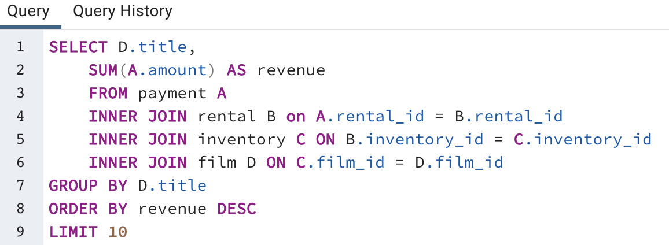
Top 10 Movies with the Highest Revenue
Movie Title | Revenue | Movie Title | Revenue
Telegraph Voyage | $215.75 | Dogma Family | $168.72
Zorro Ark | $199.72 | Torque Bound | $169.76
Wife Turn | $198.73 | Harry Idaho | $177.73
Innocent Usual | $191.74 | Titans Jerk | $186.73
Hustler Party | $190.78 | Saturday Lambs | $190.74
Saturday Lambs | $190.74 | Hustler Party | $190.78
Titans Jerk | $186.73 | Innocent Usual | $191.74
Harry Idaho | $177.73 | Wife Turn | $198.73
Torque Bound | $169.76 | Zorro Ark | $199.72
Dogma Family | $168.72 | Telegraph Voyage | $215.75

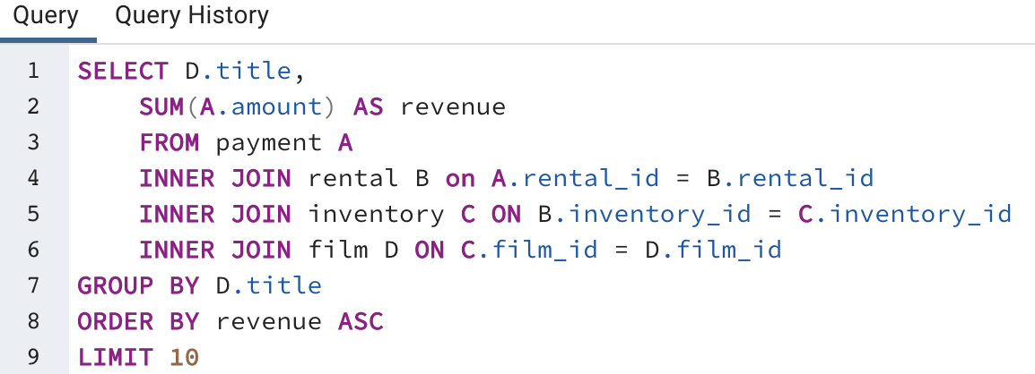
Movie Title | Revenue
Texas Watch | $5.94
Oklahoma Jumanji | $5.94
Duffel Apocalypse | $5.94
Top 10 Movies with the Least Revenue
Freedom Cleopatra | $5.95
Young Language | $6.93
Rebel Airport | $6.93
Cruelty Unforgiven | $6.94
Treatment Jekyll | $6.94
Lights Deer | $7.93
Stallion Sundance | $7.94

Avg. Rental Duration
Genre | Average Rental Duration
Thriller | 6.0
Travel | 5.4
Music | 5.2
Family | 5.2
Foreign | 5.1
Drama | 5.1
Classics | 5.1
Games | 5.1
Children | 5.0
Action | 5.0
Comedy | 4.9
Average Rental Duration
Animation | 4.9
Sci-Fi | 4.9
Horror | 4.9
Documentary | 4.8
New | 4.7
Sports | 4.7

Stat. Analysis(FilmTable)
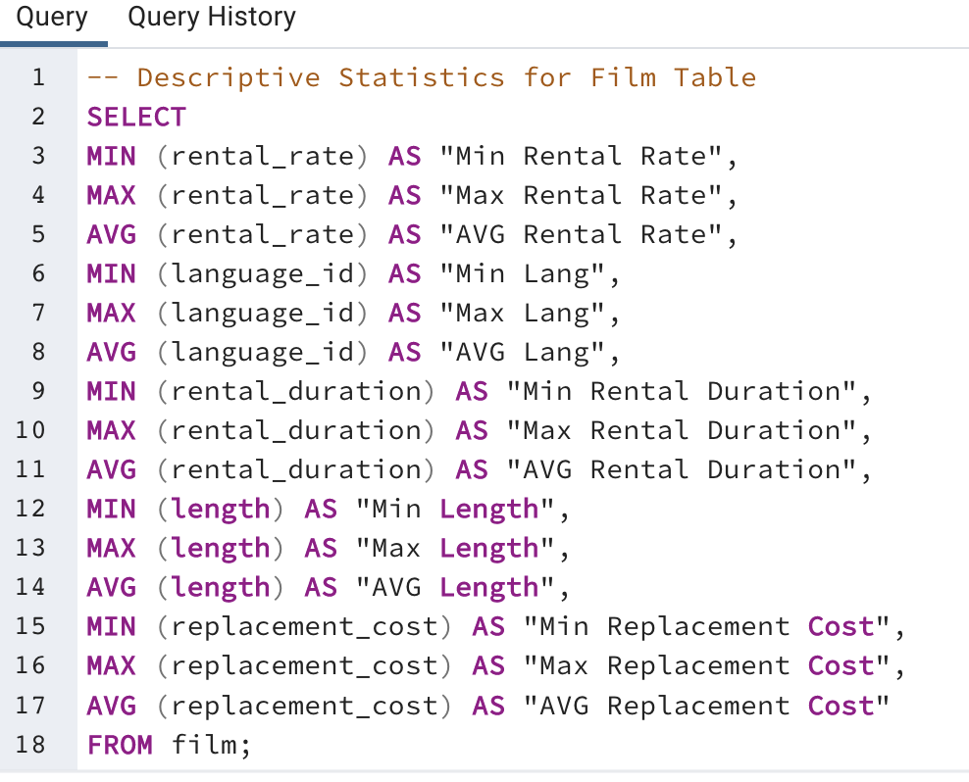
Min Rental Rate | Max Rental Rate | AVG Rental Rate | Min Lang | Max Lang | AVG Lang | Min Rental Duration | Max Rental Duration | AVG Rental Duration | Min Length | Max Length | AVG Length | Min Replacement Cost | Max Replacement Cost | AVG Replacement Cost
0.99 | 4.99 | 2.98 | 1 | 1 | 1 | 3 | 7 | 4.985 | 46 | 185 | 115.272 | 9.99 | 29.99 | 19.984

Stat. Analysis(CustomerTable)
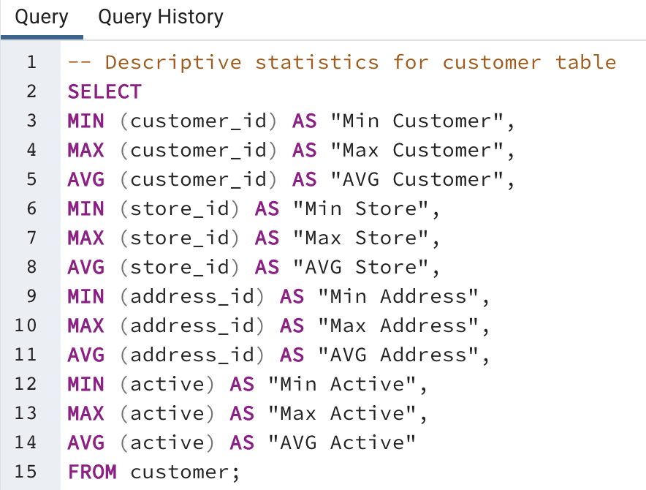
Min Customer | Max Customer | AVG Customer | Min Store | Max Store | AVG Store | Min Address | Max Address | AVG Address | Min Active | Max Active | AVG Active
1 | 599 | 300 | 1 | 2 | 1.4557595993 | 5 | 605 | 304.7245409 | 0 | 1 | 0.97495826377

Revenue by Genre
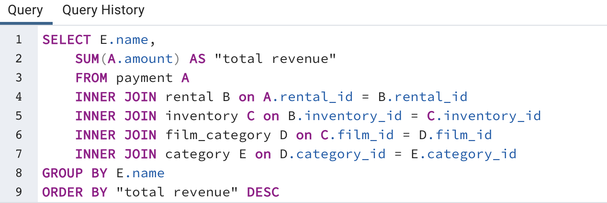
Genre | Total Revenue
Sports | $4,892.19
Sci-Fi | $4,336.01
Animation | $4,245.31
Drama | $4,118.46
Comedy | $4,002.48
New | $3,966.38
Action | $3,951.84
Foreign | $3,934.47
Games | $3,922.18
Family | $3,782.26
Documentary | $3,749.65
Horror | $3,401.27
Classics | $3,353.38
Children | $3,309.39
Travel | $3,227.36
Music | $3,071.52
Thriller | $47.89

Top10 Countries per Customer #s
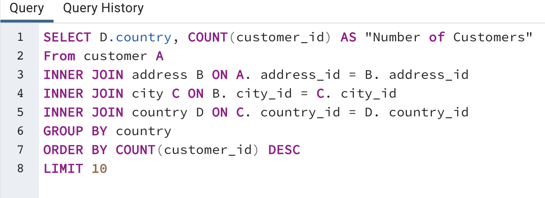
Country | Number of Customers
India | 60
China | 53
United States | 36
Japan | 31
Mexico | 30
Brazil | 28
Russian Federation | 28
Philippines | 20
Turkey | 15
Indonesia | 14

Customers w High Lifetime Value
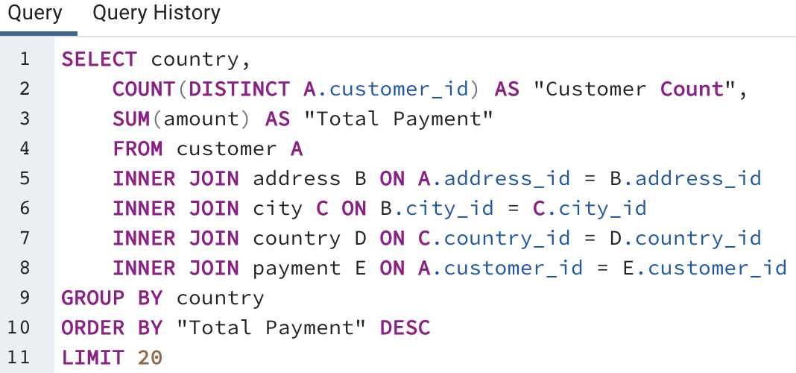
Country | Customer Count | Total Payment
India | 60 | $6,034.78
China | 53 | $5,251.03
United States | 36 | $3,685.31
Japan | 31 | $3,122.51
Mexico | 30 | $2,984.82
Brazil | 28 | $2,919.19
Russian Federation | 28 | $2,765.62
Philippines | 20 | $2,219.70
Turkey | 15 | $1,498.49
Indonesia | 14 | $1,352.69
Nigeria | 13 | $1,314.92
Argentina | 13 | $1,298.80
Taiwan | 10 | $1,155.10
South Africa | 11 | $1,069.46
Iran | 8 | $877.96
United Kingdom | 9 | $850.96
Poland | 8 | $786.16
Italy | 7 | $753.26
Germany | 7 | $741.24
Vietnam | 6 | $676.45
 |  |  | Regions | Total Revenue
Asia | $24,954.33 |  | Asia | $24,954.33
N. America | $6,670.13 |  | N. America | $6,670.13
S. America | $4,217.99 |  | S. America | $4,217.99
Europe | $3,131.62 |  | Europe | $3,131.62
Africa | $2,384.38 |  | Africa | $2,384.38
Sum | $41,358.45 |  | Sum | $41,358.45

Revenue by Country
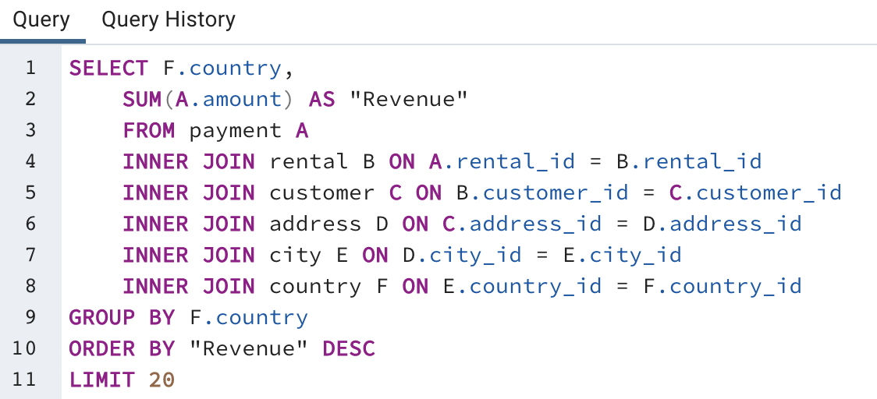
Country | Revenue
India | 6032.79
China | 5247.04
United States | 3694.27
Japan | 3121.52
Mexico | 2984.82
Brazil | 2919.19
Russian Federation | 2765.62
Philippines | 2219.7
Turkey | 1498.49
Indonesia | 1352.69
Nigeria | 1314.92
Argentina | 1298.8
Taiwan | 1155.1
South Africa | 1069.46
Iran | 877.96
United Kingdom | 848.97
Poland | 786.16
Italy | 753.26
Germany | 741.24
Vietnam | 676.45

